Phone
Element graphical example | 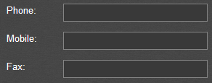 | Masked phone field example
Element short description | Text field for entering Phone numbers

Element Name | Possible Variants, Actions, Formats etc. | Expected Behaviour | Comments | Useful Tools
Phone | entered | should allow such input |  | International phone numbers: Valid examples | http://formvalidation.io/validators/phone/
Phone | not entered | should be informative validation message
Phone | max symb | should allow such input
Phone | max+1 symb | should be informative validation message OR the last symbol should be truncated
Phone | max-1 symb | should allow such input
Phone | including +-() | Expected behaviour depends on the valid input format | Phone numbers not in valid input format should not be allowed
Phone | without +-() | Expected behaviour depends on the valid input format | Phone numbers not in valid input format should not be allowed
Phone | letters | should be informative validation message
Phone | digits | should allow such type of input
Phone | spec symbols | should be informative validation message
Phone | spaces at the beginning and at the end | should be truncated
Phone | spaces in the middle | should not be truncated
Phone | tags | should not be applied; should be displayed "as entered"
Phone | wildcards | should not be applied; should be displayed "as entered"
Phone | Ctrl+V content | should not be possible to ctrl+v pictures and other content except of digits
Phone | Field Mask | should not be possible to ctrl+v pictures and other content except of digits | Some phone fields can be validated by using field Masks, e.g. (XX)XXXX-XXXX

Check Box Group
Element graphical example |  |  | Element graphical example | 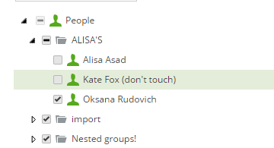
Element short description | A group of checkboxes allows multiple selection of parameters |  | Element short description | A tree of checkboxes allows nested selection of parameters

Element Name | Possible Variants, Actions, Formats etc. | Comments
Check Box Group | none checked
Check Box Group | one checked
Check Box Group | several checked
Check Box Group | all checked
Check Box Group | "Check All" checkbox allows muptiple checking/unchecking
Check Box Group | "Check All" checkbox returns selecting all checkboxes | If all options where selected by "Check All" and then some of them were unchecked, "Check All" checkbox should affect all of checkboxes
Check Box Group | Check label near checkbox | Clicking the label should check the checkbox
Check Box Group | Click outside of label or checkbox | Clicking outside of label or checkbox shoudn't check the checkbox
Check Box Group | Sorting of Checkbox group

Element Name | Possible Variants, Actions, Formats etc. | Comments
Check Box Tree | none checked
Check Box Tree | one checked
Check Box Tree | several checked
Check Box Tree | all checked
Check Box Tree | 1st lvl checkbox selecting affects all parameters | All nested parameters are checked
Check Box Tree | Nested parameter is checked | Higher lvl checkboxes are partionally checked or selection is indicated in different way
Check Box Tree | Check label near checkbox | Clicking the label should check the checkbox
Check Box Tree | Click outside of label or checkbox | Clicking outside of label or checkbox shoudn't check the checkbox
Check Box Tree | Sorting of Checkbox tree

Radio Button Group
Element graphical example | 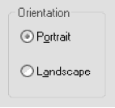
Element short description | A group of Radio buttons allows selection of a single parameter

Element Name | Possible Variants, Actions, Formats etc. | Comments
Radio Button Group | none selected (shouldn't be possible)
Radio Button Group | one option is always selected
Radio Button Group | several checked (should not be possible)
Radio Button Group | Click label near Radio button | Clicking the label should select the radiobutton
Radio Button Group | Click outside of label or radio button | Clicking outside of label or radiobutton shoudn't select the radiobutton
Radio Button Group | Sorting of Radio button Group

Drop-down List Box
Element graphical example | 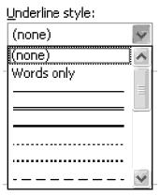
Element short description | The control allows selection of a single parameter in the list by pointing it

Element Name | Possible Variants, Actions, Formats etc. | Comments
Drop Down List Box | none selected
Drop Down List Box | one point selected
Drop Down List Box | several points selected (should not be possible)
Drop Down List Box | type a letter by keyboard (an appropriate value should be preselected)
Drop Down List Box | Sorting
Drop Down List Box | "None" option included in the list
Drop Down List Box | Options fit the drop-down size

Drop-down Combo Box
Element graphical example | 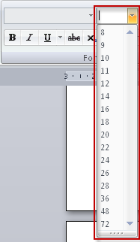
Element short description | The control allows selection of a single parameter in the list by pointing it or by entering with the keyboard

Element Name | Possible Variants, Actions, Formats etc. | Comments
Drop Down List Box | none selected
Drop Down List Box | one point selected
Drop Down List Box | several points selected (should not be possible)
Drop Down List Box | max symb
Drop Down List Box | max+1 symb
Drop Down List Box | max-1 symb
Drop Down List Box | latin letters
Drop Down List Box | russian letters
Drop Down List Box | digits
Drop Down List Box | spec symbols
Drop Down List Box | spaces at the beginning and at the end | should be truncated
Drop Down List Box | spaces in the middle | should not be truncated
Drop Down List Box | tags | should not be applied; should be displayed "as entered"
Drop Down List Box | wildcards | should not be applied; should be displayed "as entered"
Drop Down List Box | Sorting
Drop Down List Box | "None" option included in the list
Drop Down List Box | Options fit the drop-down size

List Box
Element graphical example | 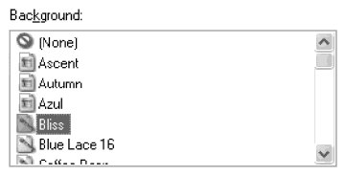
Element short description | The element allows multiple selection of values by pointing at them with Ctrl or Shifrt. Drag selection is also possible sometimes.

Element Name | Possible Variants, Actions, Formats etc. | Comments
List Box | none selected
List Box | one point selected
List Box | several points selected with Ctrl key
List Box | several points selected with Shift key
List Box | all points selected
Drop Down List Box | Sorting
Drop Down List Box | "None" option included in the list
Drop Down List Box | Options fit the drop-down size

Multiple Selector
Element graphical example | 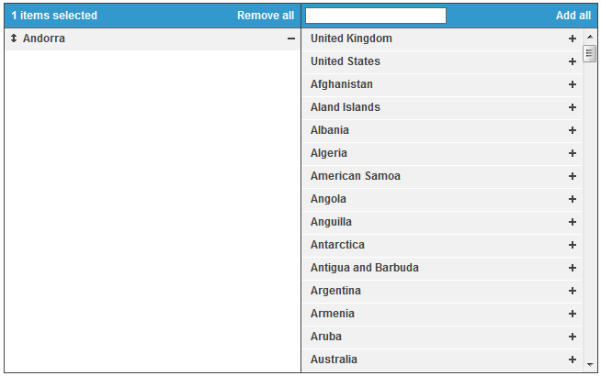
Element short description | Multiple selector allows to select several items from an array and apply the filtered selection to an active list for some further usage

Element Name | Possible Variants, Actions, Formats etc. | Comments
Multiple Selector | item/s selected
Multiple Selector | item/s not selected
Multiple Selector | add one item with "+" control
Multiple Selector | add one item with drag&drop
Multiple Selector | remove one item with "-" control
Multiple Selector | remove one item with drag&drop
Multiple Selector | List of items is sorted
Multiple Selector | add all
Multiple Selector | remove all
Multiple Selector | reorder items with arrows buttons
Multiple Selector | reorder items with drag&drop
Multiple Selector | select one item in a panel
Multiple Selector | select several items in a panel with "Ctrl" key
Multiple Selector | select several items in a panel with "Shift" key
Multiple Selector | transfer an item between the panels by double click

Date Picker
Element graphical example | 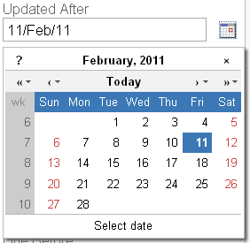
Element short description | Date picker is a control for selecting date parameter. Allows selection by pointing at the required date on the control. Manual entering with the keyboard is also possible sometimes | Time picker is a control for selecting time parameter. Allow selection by entering data or using arrows for increasing/decreasing

Element Name | Possible Variants, Actions, Formats etc. | Comments
Date Picker | no date selected
Date Picker | date selected
Date Picker | date is earlier than the correct range
Date Picker | year is earlier than the current
Date Picker | month is earlier than the current
Date Picker | month is earlier than the current
Date Picker | date is in the correct range
Date Picker | date is later than the correct range
Date Picker | year is later than the current
Date Picker | month is later than the current
Date Picker | month is later than the current
Date Picker | the date entered from the keyboard in the correct format
Date Picker | the date entered from the keyboard in wrong format
Date Picker | Dependent date pickers | e.g. Valid From and Expire Date
Date Picker | The most earlier date selecting | e.g. 1900 year
Date Picker | The most later date selecting | e.g. 2100 year
Date Picker | Number of days in month | e.g. 31 February

Element Name | Possible Variants, Actions, Formats etc. | Comments
Time Picker | no time selected
Time Picker | time selected
Time Picker | Minutes > 60
Time Picker | Hours > 24 | depends on the field type
Time Picker | entered | should allow such input
Time Picker | not entered | should be informative validation message OR should be changed to valid value
Time Picker | Increasing/decreasing using arrows
Time Picker | max symb | should allow such input
Time Picker | max+1 symb | should be informative validation message OR should be changed to valid value
Time Picker | max-1 symb | should allow such input
Time Picker | min+1 symb | should allow such input
Time Picker | min-1 symb | should be informative validation message OR should be changed to valid value
Time Picker | russian letters | should not be possible to enter OR should be changed to valid value
Time Picker | digits | should allow such type of input
Time Picker | spec symbols | should not be possible to enter OR should be changed to valid value
Time Picker | spaces only | should not be possible to enter OR should be changed to valid value
Time Picker | spaces at the beginning and at the end | should not be possible to enter OR should be changed to valid value
Time Picker | spaces in the middle | should not be possible to enter OR should be changed to valid value
Time Picker | tags | should not be possible to enter OR should be changed to valid value
Time Picker | wildcards | should not be possible to enter OR should be changed to valid value
Time Picker | Ctrl+V content | should not be possible to ctrl+v pictures and other content except of digits

